Result
Brightness/Hydration Improvement(2 Weeks) by Subjects
No Product Use(Hydaration) | After 20 mins of Product Use(Hydaration) | After 7 Days of Product Use(Hydaration) | After 14 Days of Product Use(Hydaration) | Hydration Improvement 1st Time | Hydration Improvement 2nd Time | Final Hydration Improvement after 14 Days | No Product Use(Brightness) | After 20 mins of Product Use(Brightness) | After 7 Days of Product Use(Brightness) | After 14 Days of Product Use(Brightness) | L*(Brightness) Improvement 1st Time | L*(Brightness) Improvement 2nd Time | Final L*(Brightness) Improvement after 14 Days
41.83 | 46.55 | 54.07 | 61.13 | 7.52 | 7.07 | 19.3 | 49.46 | 51.14 | 51.2 | 51.7 | 0.06 | 0.5 | 2.24
47.55 | 52.47 | 58.35 | 65.68 | 5.88 | 7.33 | 18.13 | 46.51 | 48.65 | 48.54 | 51.07 | -0.1 | 2.52 | 4.56
32.08 | 35.8 | 43.58 | 51.83 | 7.78 | 8.25 | 19.75 | 52.36 | 52.98 | 53.54 | 55.3 | 0.56 | 1.76 | 2.95
38.82 | 44.38 | 51.12 | 55.05 | 6.73 | 3.93 | 16.23 | 48.42 | 48.76 | 49.26 | 51.08 | 0.51 | 1.81 | 2.66
35.85 | 41.28 | 46.05 | 52.25 | 4.77 | 6.2 | 16.4 | 51.28 | 51.46 | 52.05 | 52.32 | 0.59 | 0.27 | 1.03
42.17 | 45.45 | 50.52 | 58.63 | 5.07 | 8.12 | 16.47 | 43.69 | 44.63 | 44.55 | 45.18 | -0.08 | 0.63 | 1.49
37.16 | 42.25 | 49.93 | 55.35 | 7.68 | 5.42 | 18.19 | 46.46 | 47.13 | 47.14 | 48.34 | 0.01 | 1.2 | 1.87
41.85 | 46.05 | 51.25 | 60.08 | 5.2 | 8.83 | 18.23 | 55.42 | 56.31 | 57.98 | 57.94 | 1.66 | -0.04 | 2.52
47.28 | 53.35 | 60.28 | 66.83 | 6.93 | 6.55 | 19.55 | 49.45 | 49.71 | 51.92 | 53.16 | 2.2 | 1.24 | 3.71
41.72 | 45.7 | 53.25 | 61.83 | 7.55 | 8.58 | 20.12 | 53.01 | 53.04 | 55.72 | 53.74 | 2.68 | -1.98 | 0.72
35.62 | 42.17 | 50.85 | 59.38 | 8.68 | 8.53 | 23.77 | 55.23 | 56.34 | 56.46 | 57.29 | 0.12 | 0.83 | 2.06
32.17 | 35.72 | 43.33 | 52.68 | 7.62 | 9.35 | 20.52 | 58.58 | 59.37 | 59.47 | 60.36 | 0.1 | 0.89 | 1.78
37.1 | 42.3 | 49.58 | 56.33 | 7.28 | 6.75 | 19.23 | 52.31 | 53.02 | 53.32 | 55.06 | 0.3 | 1.75 | 2.75
42.12 | 47.85 | 54.15 | 62.63 | 6.3 | 8.48 | 20.52 | 59.61 | 60.02 | 61.89 | 61.83 | 1.86 | -0.06 | 2.22
45.2 | 49.98 | 57.52 | 67.02 | 7.53 | 9.5 | 21.82 | 56.46 | 57.52 | 56.57 | 57.6 | -0.95 | 1.02 | 1.14
47.42 | 52.52 | 57.22 | 65.35 | 4.7 | 8.13 | 17.93 | 49.74 | 50.36 | 50.52 | 53.22 | 0.17 | 2.7 | 3.48
37.42 | 42.8 | 53.13 | 62.85 | 10.33 | 9.72 | 25.43 | 50.43 | 52.24 | 52.65 | 52.08 | 0.41 | -0.56 | 1.66
42.15 | 47.77 | 58.35 | 68.08 | 10.58 | 9.73 | 25.93 | 53.3 | 54.15 | 54.86 | 55.12 | 0.71 | 0.26 | 1.82
46.2 | 49.58 | 57.22 | 66.03 | 7.63 | 8.82 | 19.83 | 50.66 | 51.34 | 52.47 | 53.47 | 1.13 | 1 | 2.81
41.65 | 48.38 | 61.83 | 71.8 | 13.45 | 9.97 | 30.15 | 38.46 | 40.33 | 39.96 | 42.16 | -0.38 | 2.2 | 3.7
37.25 | 42.33 | 51.65 | 59.93 | 9.32 | 8.28 | 22.68 | 57.52 | 58.68 | 59.35 | 60.78 | 0.67 | 1.43 | 3.26
42.68 | 45.7 | 52.62 | 62 | 6.92 | 9.38 | 19.32 | 54.89 | 55.4 | 56.19 | 57.92 | 0.78 | 1.73 | 3.03
48.2 | 52.83 | 58.37 | 66.43 | 5.53 | 8.07 | 18.23 | 45.52 | 47.74 | 46.74 | 47.9 | -1 | 1.16 | 2.37
48.3 | 52.32 | 59.76 | 68.55 | 7.44 | 8.79 | 20.25 | 57.6 | 57.86 | 58.24 | 59.66 | 0.38 | 1.42 | 2.06
32.85 | 38.25 | 48.55 | 57.57 | 10.3 | 9.02 | 24.72 | 57.75 | 59.58 | 60.04 | 61.2 | 0.46 | 1.15 | 3.44
35.1 | 39.97 | 49.53 | 62.13 | 9.57 | 12.6 | 27.03 | 60.56 | 62.82 | 62.3 | 63.66 | -0.51 | 1.35 | 3.09
42.15 | 48.2 | 53.43 | 64.4 | 5.23 | 10.97 | 22.25 | 60.64 | 60.92 | 61 | 61.88 | 0.08 | 0.88 | 1.24
35.18 | 40.92 | 47.53 | 57.18 | 6.62 | 9.65 | 22 | 58.94 | 60.21 | 59.8 | 61.18 | -0.41 | 1.38 | 2.24
45.53 | 51.2 | 56.12 | 62.23 | 4.92 | 6.12 | 16.7 | 54.54 | 55.58 | 56 | 57.76 | 0.42 | 1.76 | 3.21
Hydration Improvement after 2 Weeks on Skin
34.07 | 38.42 | 45.2 | 51.92 | 6.78 | 6.72 | 17.85 | 55.3 | 56.44 | 57.5 | 58.5 | 1.05 | 0.99 | 3.2
49.42 | 52.52 | 57.98 | 66.93 | 5.47 | 8.95 | 17.52 | 62.06 | 62.32 | 62.39 | 64.57 | 0.07 | 2.18 | 2.51
42.15 | 45.88 | 52.25 | 61.53 | 6.37 | 9.28 | 19.38 | 57.1 | 58.06 | 59.33 | 60.25 | 1.27 | 0.92 | 3.15
45.7 | 49.78 | 56.3 | 61.97 | 6.52 | 5.67 | 16.27 | 51.06 | 51.4 | 51.81 | 52.68 | 0.41 | 0.87 | 1.62
45.3 | 51.07 | 58.55 | 68.37 | 7.48 | 9.82 | 23.07 | 60.48 | 61.06 | 61.15 | 61.34 | 0.09 | 0.19 | 0.85
41.13 | 47.92 | 55.68 | 64.85 | 7.77 | 9.17 | 23.72 | 45.7 | 46.78 | 47.17 | 48.24 | 0.4 | 1.06 | 2.53
48.82 | 51.5 | 62.05 | 71.8 | 10.55 | 9.75 | 22.98 | 48.42 | 50.67 | 50.6 | 51.41 | -0.07 | 0.81 | 2.99
33.3 | 38.43 | 48.37 | 56.32 | 9.93 | 7.95 | 23.02 | 51.29 | 53.48 | 55.1 | 54.64 | 1.62 | -0.46 | 3.35
42.13 | 44.63 | 52.02 | 61.57 | 7.38 | 9.55 | 19.43 | 49.22 | 50.71 | 51.17 | 51.85 | 0.46 | 0.68 | 2.62

Output
 | Brightness & Hydration Analysis of Product on Skin

Section | Description

Objective | To evaluate the efficacy of the test product in improving skin brightness (L*) and hydration over a 14-day period.
Instruments Used | Spectrophotometer (for Skin Brightness - L*)Corneometer (for Skin Hydration - Arbitrary Units)
Study Design | Baseline measurement → Immediate post-application (20 mins) → Day 7 → Day 14 with continuous product use.
Key Metrics | - Increase in L* values indicates improvement in skin brightness.- Increase in Corneometer values indicates improvement in skin hydration.

Step | Description | Expalantion
1. Data Loading | Two datasets were loaded: ① Spectrophotometer readings (Brightness L*) ② Corneometer readings (Hydration) | We used two scientific tools to measure skin brightness and skin hydration for each subject across multiple visits.
2. Header Cleaning | The original files had multi-row headers. The first two rows were combined to create meaningful single-line headers. | This step ensures each column has a clear label, making the data readable and usable for analysis.
3. Data Selection | Unnecessary columns and empty fields were dropped. Only relevant measurement columns were retained. | We kept only the essential measurement values to simplify analysis and avoid errors.
4. Data Type Conversion | All numeric values were converted to correct data types (floats) and rounded to two decimal places. | This helps in accurate calculation and cleaner presentation in the final report.

Plot type | Description | Explanation
1. Skin Brightness Measurement(On Right & left Cheeks) | Corneometer values were analyzed for each subject at 4 time points: • Visit 1 - Baseline • Visit 1 - Timm (20 mins after application) • Visit 2 - After 7 Days • Visit 3 - After 14 Days | Higher Spectrometer values reflect better skin Brightness.

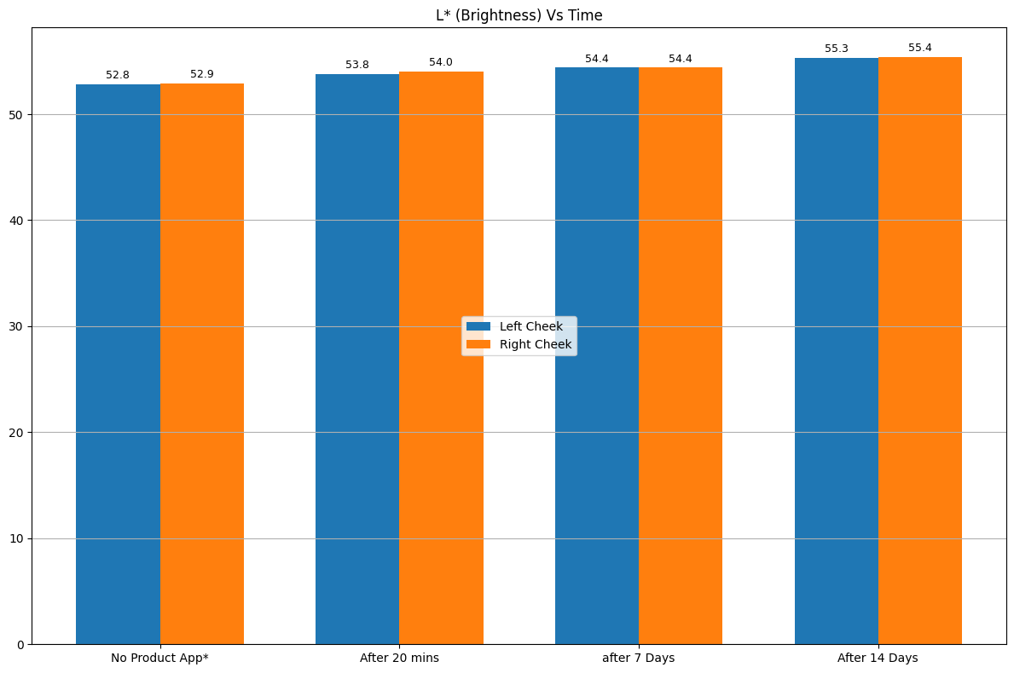
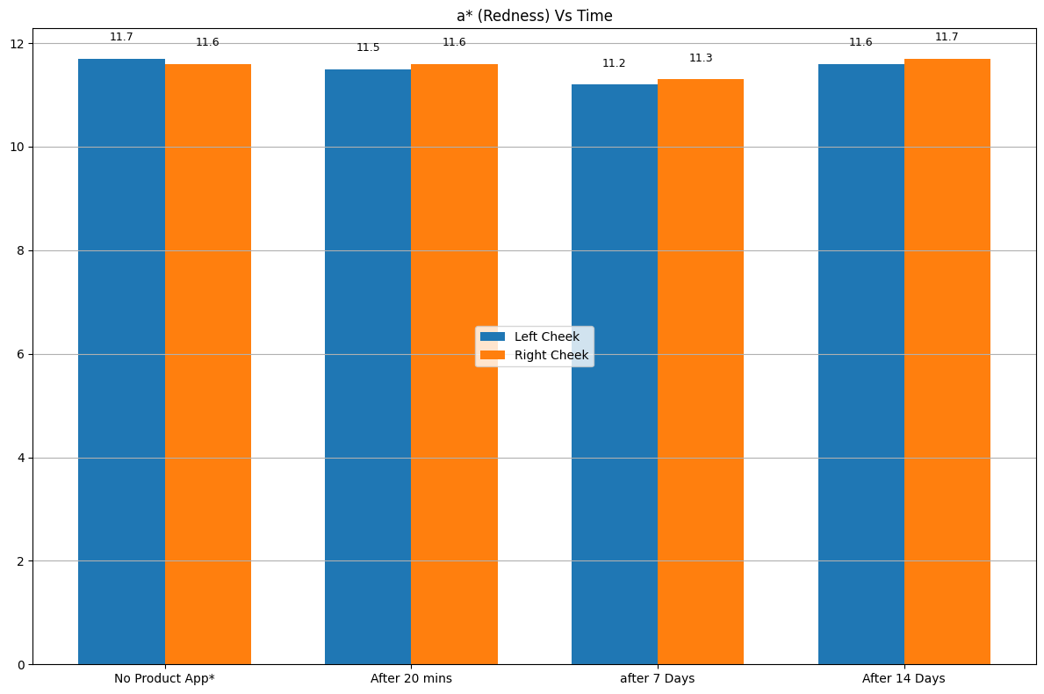
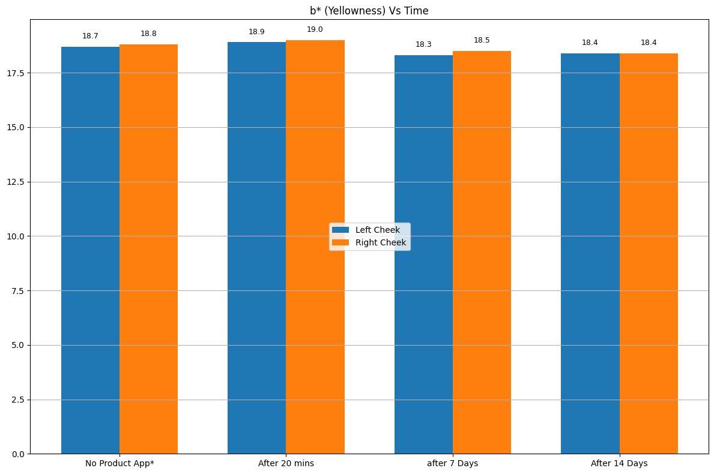

Cluster Name | Criteria | Profile
Cluster 0: High Responders | Subjects showing strong improvement in both L* (brightness) and hydration (>20% improvement) | Likely to have dehydrated or dull skin baseline but responds very well to product.
Cluster 1: Moderate Responders | Subjects with moderate improvement in either brightness or hydration (10%–20% range) | Skin shows improvement but more gradually.
Cluster 2: Low/Non-Responders | Subjects with minimal or no improvement (<10%) | Possible reasons: well-hydrated skin baseline, poor adherence, or skin resistance.

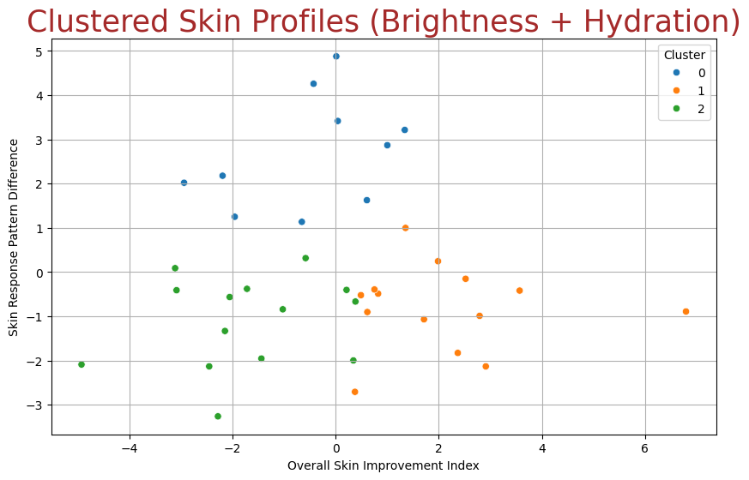

Plot Type | What It Shows | Inference
Bar Plot | Displays the distribution of Count(Subjects/Humans) Vs Brightness /hydration improvement values on skin after 14 Days of Continued Use. | Helps visualize how many subjects experienced various levels of improvement.
KDE Line (Kernel Density Estimate) | Overlaid smooth curve showing the probability density of improvements. | Gives a visual idea of where most subjects are clustered and whether the distribution is balanced or skewed.
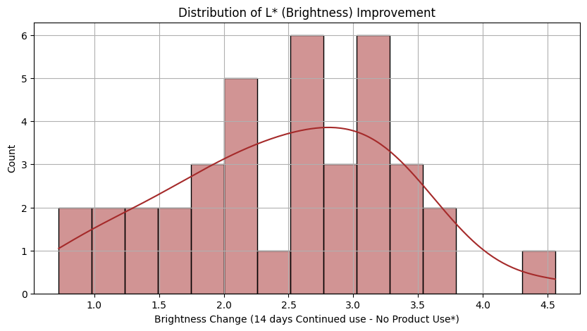
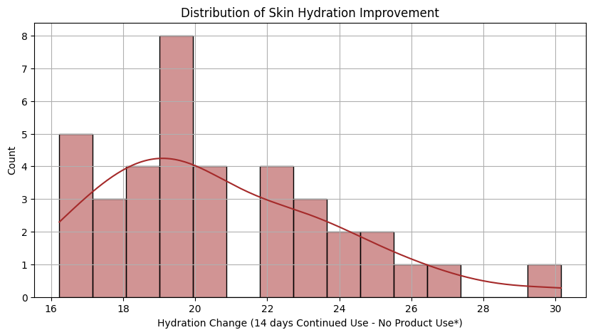

Plot | What it Shows | Inferences
Hydration Levels (Baseline) by Cluster | No Product Use hydration (Corneometer) grouped by clusters | - Cluster 0 and 1 start with higher baseline hydration (~43–47 units).- Cluster 2 starts noticeably lower (~35 units).Subjects in Cluster 2 may have drier skin initially.
Hydration Levels (Visit 3) by Cluster | Visit 3 hydration levels after 14 days | - Cluster 0 shows highest hydration (~65–70).- Cluster 1 has moderate hydration (~60–67).- Cluster 2 remains lowest (~55–60). Clear separation in final hydration levels among clusters.
Brightness Levels (Visit 3 - a) by Cluster* | redness skin tone (a*) by clusters after 14 Days | - Cluster 0 has lower a* (~10–11), indicating better even tone.- Cluster 1 and 2 have slightly higher a* (~12+). Cluster 0 shows subtle improvement in tone (less redness).
Brightness Levels (Visit 3 - L) by Cluster* | brightness (L*) by clusters after 14 Days | - Cluster 0 shows highest brightness (~60–65 L*).- Cluster 2 shows moderate brightness (~57–60 L*).- Cluster 1 has lowest brightness (~50–53 L*). Cluster 0 clearly benefits most in skin brightness.

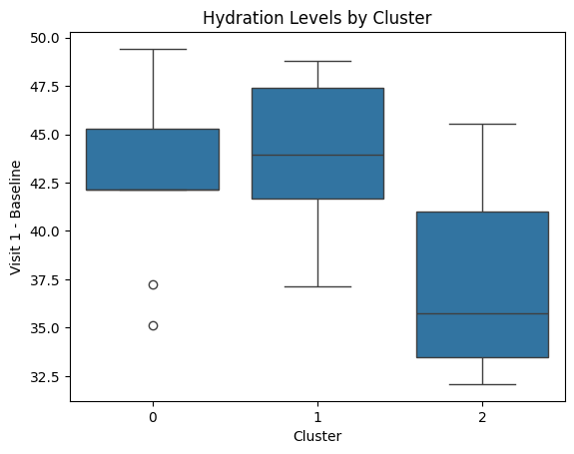
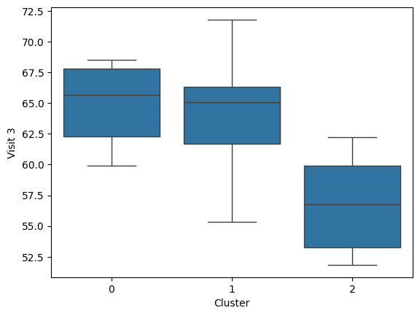

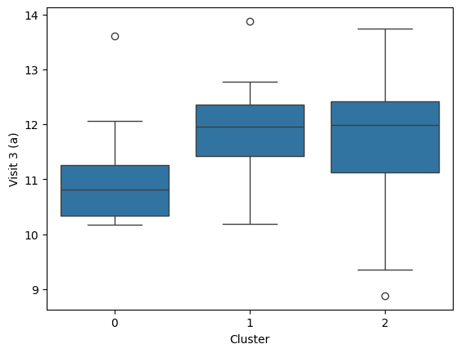
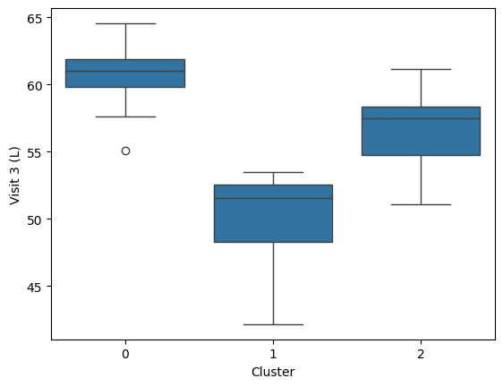

 | Correlation Between Hydration and Brightness Improvements
 | Metric | Value
 | Correlation (r) | 0.07
 | p-value | 0.6881

 | The correlation coefficient (r = 0.07) indicates a very weak positive relationship between hydration improvement and brightness improvement.

 | The p-value (0.6881) is not statistically significant (p > 0.05), suggesting that the observed relationship could be due to random chance.

 | Improvements in skin hydration and brightness are not strongly linked in this dataset.

 | The test product appears to impact these two skin parameters independently rather than synergistically.

 | This means some subjects may show hydration improvement without parallel brightness improvement or vice versa.

